Sheet1
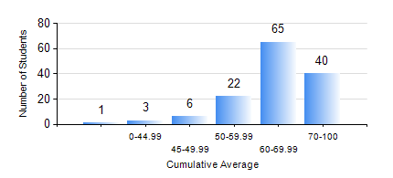
 |  |  | KWAME NKRUMAH UNIVERSITY OF SCIENCE AND TECHNOLOGY, KUMASI Department of Chemical Engineering

 |  |  | BSC. CHEMICAL ENG.

 |  |  | COMPREHENSIVE RECORD OF EXAMINATION RESULTS

 |  |  | RESULTS OF YEAR 1 FIRST SEMESTER, 2019/2020 ACADEMIC YEAR

 | Sn | Course Code |  | Course Name | Credit Hours | Min. Mark | Max. Mark | Avg. Mark | Std. Dev. | No. Passed | No. Trailed | No. (Df) | No. (I) | No. (I*) | No. Tagged(I,I*,Df) | Total
 | 0. |  |  |  |  |  |  | 0 | 0 | 0 | 0 | 0 | 0 | 0 | 0 | 2
 | 1. | CHE 151 |  | INORGANIC CHEMISTRY FOR ENGINEERS | 2 | 40 | 82 | 69 | 8.29 | 135 | 0 | 0 | 0 | 0 | 0 | 135
 | 2. | CHE 153 |  | ORGANIC CHEMISTRY FOR ENGINEERS | 2 | 30 | 86 | 57 | 11.32 | 134 | 1 | 0 | 0 | 0 | 0 | 135
 | 3. | CHEM 169 |  | PRACTICAL CHEMISTRY I | 3 | 17 | 73 | 59 | 9.25 | 131 | 4 | 0 | 0 | 0 | 0 | 135
 | 4. | EE 151 |  | APPLIED ELECTRICITY | 3 | 42 | 97 | 76 | 12.6 | 135 | 0 | 0 | 0 | 0 | 0 | 135
 | 5. | ENGL 157 |  | COMMUNICATION SKILLS I | 2 | 43 | 75 | 58 | 7.12 | 135 | 0 | 0 | 0 | 0 | 0 | 135
 | 6. | MATH 151 |  | ALGEBRA | 4 | 41 | 87 | 66 | 8.76 | 135 | 0 | 0 | 0 | 0 | 0 | 135
 | 7. | ME 159 |  | TECHNICAL DRAWING | 2 | 1 | 96 | 67 | 14.41 | 134 | 1 | 0 | 0 | 0 | 0 | 135

